Guidelines & Definitions
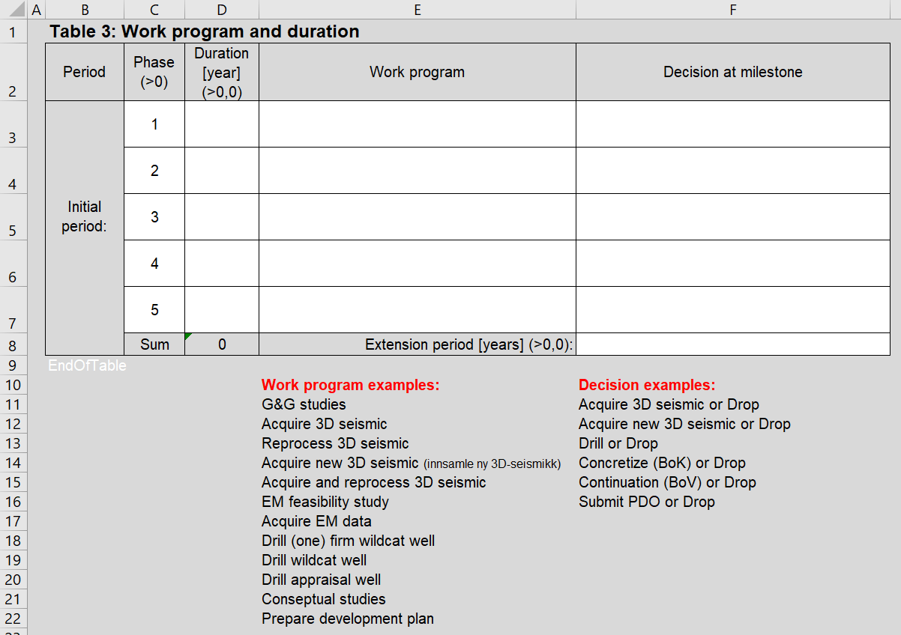
Award of area for storage of CO2 on the Norwegian continental shelf 2022 All Excel forms requested for applications and company information can be found in the Excel workbooks designated "ApplicationData", "Geological Storage complex and Quantities stored potential data" and "CompanyInformation".

1-Application summary The applied blocks must be picked from dropdown list. One block name in each cell. Please be aware that all blocks in the round is found in the dropdown list, including those that are licensed. It is up to the applicant to verify that the applied area is available. Under "Participants", the participants in the application must select their names from a predefined list (pull-down menu). If the company name is not on the list, the company must go to the tab "LegalCompanyNames" in the Excel document and replace one of the **MissingCompanyLongName1-9 with its company name, which will then become available in the pull-down menu

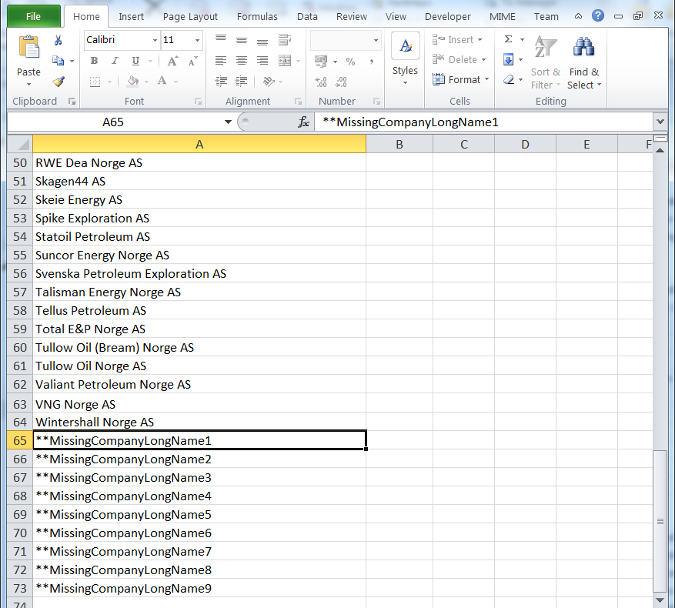

Under "O, P, O/P", the participants in the application must choose from these three alternatives in the list. Note that O/P indicates that the company has no strong preferences as regards operatorship or partnership role. Under "Participation share [%]", the companies must indicate the size of their primary preferred participating interest, as well as an upper and lower limit acceptable to the applicant in an interval between 0.00001 and 100%. The ownership interests must be consistent with the interests stated in the application letter from each company. No lower and upper percentages are indicated for additional acreage, as it is assumed that they coincide with the interests in the parent licence.

2-Quantities Stored Potential For each Storage Complex / Discovery or Field with ceased production committable Storage Capacity and Total Storage Potential must be entered. Where more than one case is indicated, each case must have a separate sheet in the "Geological Storage complex and Quantities Stored Potential data" Excel workbook for this purpose.

3-Work program and duration A new row can be created if necessary for more phases than the five that have been predefined. Where all five phases are not required, superfluous rows can be left empty or deleted. Applicants are not restricted to the proposed standard formulations given below in the form, and can propose own work programs and decision milestones.

How to Insert a Phase: 1. Select an empty Phase row (row 7 in the example below) 2. Right-click and select "Insert" from the menu How to Delete a Phase: 1. Select an empty Phase (row 7 in the example below) 2. Right-click and select "Delete" from the menu

